6-8.Ingre&Nutrition&Allergens
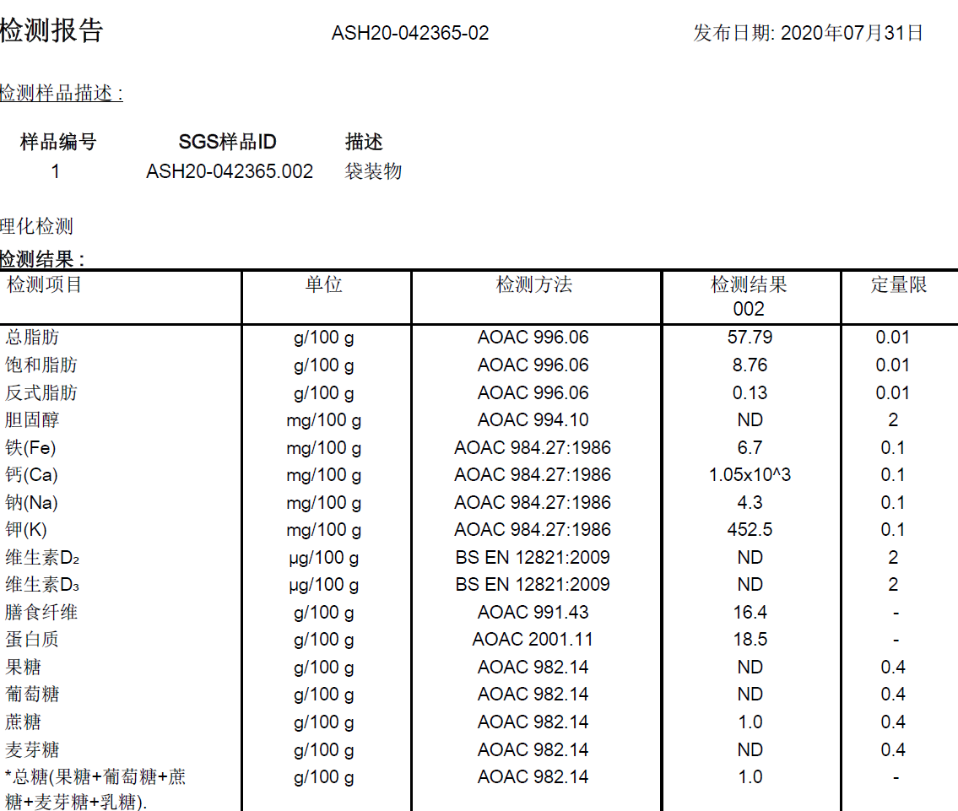
6.Product Composition
Ingredients |  | Components |  | % Composition | Supplier Names | Country of Origin | Genetically modified?
(Including E numbers and *functions for additives) |  | (if ingredient is composed of several sub-ingredients) |  | (Please list the ingredients in descending order) | (Please list all suppliers per ingredient)
White sesame seeds |  |  |  | 100.00% | ANHUI XINMAO FOOD CO., LTD | CHINA
 |  |  | Total | 100.00%
*Please choose the functional of food additives from below: sweeteners / colours / preservatives / antioxidants / carriers / acids / acidity regulators / anti-caking agents / anti-foaming agents / bulking agents / bulking agents / emulsifiers / emulsifying salts / firming agents / flavor enhancers / foaming agents / gelling agents / glazing agents / humectants / modified starches / packaging gases / propellants / raising agents / sequestrants / stabilisers / thickeners / flour treatment agents / contrast enhancers

7.Nutritional Information |  | * Not Mandatory
Typical Values (g) |  | Per 100g/100ml
Energy (Kcal/KJ) |  | Kcal:664 KJ:2778 |  |  |  |  |  |  | 0
Fat |  | 57.79 |  | 520.11
of which saturate fat |  | 8.76
of which monounsaturated fat* |  |  |  | 0
of which, polyunsaturated fat* |  |  |  | 0
Carbohydrate |  | 1 |  | 4
of which sugar |  | 1 |  | 9
of which Polyols* |  |  |  | 0
of which starch* |  |  |  | 0
Fibre* |  | 16.4 |  | 32.8
Protein |  | 18.5 |  | 74 | 12%
Salt |  | 0.01075
NOTE: Must attach lab analyses report/Sodium in mg x 2.5 /1000 = salt in g |  |  |  | 639.91
8.The fourteen Allergens – Regulation (EU) No 1169/2011
 | Potential Component |  |  | Product contains? | In which ingredient? | Handled on manufacturing site? | In which material? | Measures to prevent Cross-contamination | Precautionary allergen labelling (May Contain statement) needed?
 | *Please tick in the box |  |  | Yes/No |  | Yes/No |  |  | Yes/No
01 | Cereals containing gluten including wheat, Rye, Barley, Oats, Spelt & Khorasan and products thereof: |  |  | No | N/A | No | N/A | N/A | No
02 | Crustaceans and products thereof: |  |  | No | N/A | No | N/A | N/A | No
03 | Fish and products thereof: |  |  | No | N/A | No | N/A | N/A | No
04 | Molluscs and products thereof: |  |  | No | N/A | No | N/A | N/A | No
05 | Peanuts and products thereof: |  |  | No | N/A | No | N/A | N/A | No
06 | Soybeans and products thereof: |  |  | No | N/A | No | N/A | N/A | No
07 | Milk and products thereof: |  |  | No | N/A | No | N/A | N/A | No
08 | Nuts and products thereof: |  |  | No | N/A | No | N/A | N/A | No
09 | Celery and products thereof: |  |  | No | N/A | No | N/A | N/A | No
10 | Mustard and products thereof: |  |  | No | N/A | No | N/A | N/A | No
11 | Sesame seeds and products thereof: |  |  | Yes | White sesame seeds | Yes | White sesame seeds | N/A (Contains) | No
12 | Sulphur Dioxide or Sulphites: |  |  | No | N/A | No | N/A | N/A | No
13 | Lupin and products thereof: |  |  | No | N/A | No | N/A | N/A | No
14 | Egg and products thereof: |  |  | No | N/A | No | N/A | N/A | No

9-13.Quality Attributes
9.Chemical Standard & Harmful Contamination
Test Item Depends on the products, different pesticides, heavy metals, chemicals should be monitord. Fill in the items to be monitored according to the likely risk of contamination ; Example : Cadmium in seaweed, Acidity in sushi ginger |  | EU MRL standard/Recommendation | Country of Origin MRL Standard | Test Frequency
Methyl parathion |  | <0.01 mg/kg |  | each batch of raw material
Malathion |  | <0.01 mg/kg |  | each batch of raw material
Carbendazim |  | <10ug/kg |  | each batch of raw material
Cypermethirn |  | <0.01 mg/kg |  | each batch of raw material
Chlorpyrifos-methyl |  | <0.01 mg/kg |  | each batch of raw material
Aflatoxin B1 |  | <1.0 ug/kg |  | each batch of raw material
10.Acrylamide
Are Products at risk of acrylamide? |  |  |  |  | No
If Yes. What mitigation measures are in place to manage acrylamide levels with the food? |  |  |  |  | N/A
11.Radioactivity | *occurs naturally in all food and can be transferred into food in different ways eg crops from soil, drinking water from the earth, Fish and Shellfish from the water or Sea floor.
Has the product/ ingredient been irradiated? |  |  |  |  | No
Is the product/ ingredient subject to potential radioactive cross contamination? |  |  |  |  | No
If yes, what controls in place |  |  |  |  | N/A
Has the product/ ingredient been imported into the UK from a country that has high levels of radioactivity? |  |  |  |  | No
If Yes, how is this controlled and what checks are carried out? |  |  |  |  | N/A
12.Microbiology Standards | *Please insert GB standard
Micro-organisms | Type | EU Standard | Target | Rejection | CoA
TVC | Quality Indicator | <104 | <100 | >1000 | Every PO | *please clarify by filling in how many samples per day/PO rather than by each lot
Escherichia coli | Hygiene indicator | <20 | <10 | >10 | Every PO
Enterobacteriaceae | Hygiene indicator | <100 | ─ | ─ | ─
Listeria spp | Hygiene indicator | Not Detected | ─ | ─ | ─
Listeria monocytogenes | Pathogens | Not Detected | Not Detected | Detected in 25g | Every PO
Campylobacter spp. | Pathogens | Not Detected | ─ | ─ | ─
Escherichia coli O157 | Pathogens | Not Detected | ─ | ─ | ─
Salmonella spp. | Pathogens | Not Detected | Not Detected | Detected in 25g | Every PO
Shigella spp. | Pathogens | Not Detected | ─ | ─ | ─
Vibrio cholera (O1 and O139) | Pathogens | Not Detected | ─ | ─ | ─
Vibrio parahaemolyticus | Pathogens | <20 | ─ | ─ | ─
Bacillus cereus | Pathogens | <103 | <100 | >1000 | Every PO
Bacillus spp. | Pathogens | <103 | ─ | ─ | ─
Clostridium perfringens | Pathogens | <10 | ─ | ─ | ─
Staphylococcus aureus and other coagulase-positive staphylococci | Pathogens | <20 | Not Detected | Detected in 25g | Every PO
Yeast & Moulds | Hygiene indicator | ─ | ,<10 | >25 | Every PO
13.Acceptance and Rejection standard
Standard Product Photo & Description |  | Rejected Product Photo& Description
IE. Grading, Sizing, Appearance, Flavor/taste, Texture, Colour, smell |  | IE. Grading, Sizing, Appearance, Flavor/taste, Texture, Colour, smell
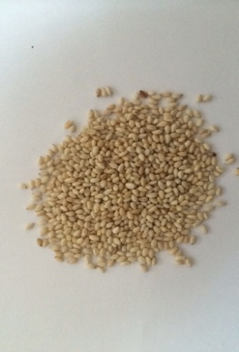 It is the whole, clean, dried grain, with golden appearance with sesame seed flavour and taste crisp. |  | The seed was broken with many impurity .taste soft and some odour of oxidative rancidity.

14-16.Quantity&packaging info
14.Quantity Attributes
 | Unit | Case (kg)
Unit Drained Weight (If Product contains liquid) | N/A | N/A
Net Weight | 1 | 12
Gross Weight | 1.018 | 12.951
Is the product packed in a Protective atmosphere? (if yes, indicate the composition on gases used if applicable) |  |  |  | Yes/No | No
Is the product vacuum packed? |  |  |  | Yes/No | Yes
Primary Package Plastic Material Comply with Commission Regulation (EU) No 10/2011 |  |  |  | Yes/No | Yes
15.Packaging Weight Dimensions & Container Maxi Load
 | Material (plastic, cardbaord, glass, etc) | If plastic, indicate the plastictypes from below 01-07 | Weight (g) | Dimensions (mm)
Primary | Transparent | Plastic | 18 | L | 455
Barcode: |  |  |  | W | 90
 |  |  |  | H
Secondary | Carton | Paper | 735 | L | 320
Barcode: |  |  |  | W | 300
 |  |  |  | H | 305
Tertiary |  |  |  | L
Barcode: |  |  |  | W
 |  |  |  | H
20FCL Max Load without palletized | 888
40FCL Max Load without palletized | 1527

16.Pallet Configuration
 | UK Pallet Configuration (1.0m x 1.2m) | EU Pallet Configuration (0.8m x 1.2m)
Cases per layer | 12 | 6
Number of layers | 5 | 5
Cases/pallet | 60 | 30
Pallet height (m) | 1.525 | 1.525
Pallet weight (kg) | 777.1 | 388.5
Pallet Top-View | 
Pallet coverage | Surface usage: 96% Volume usage: 83.7% | Surface usage: 80% Volume usage: 69.70%
*pallet height must lower than 1.75m & gross weight under 1000kg

17-20.HACCP,Artwork&SpecAuthor.
17.Process Flow Chart- (showing all CCPs)
Please provide in the form a Critical Control Point (CCP), a description of the process/packing operations including processing times tempuratures where applicable and in process Safery Control Checks (CCP Summary) and Quality Checks.
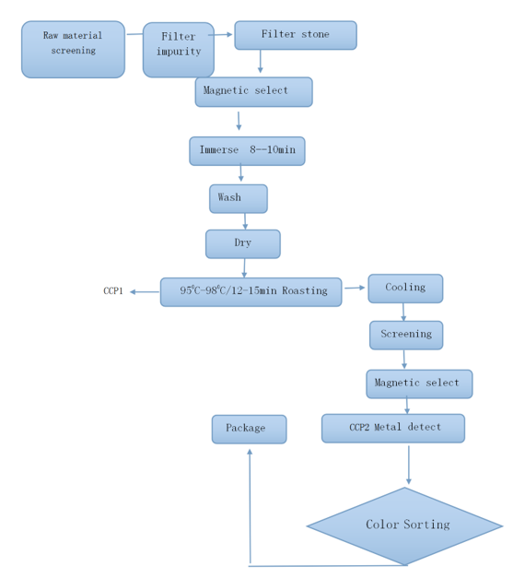
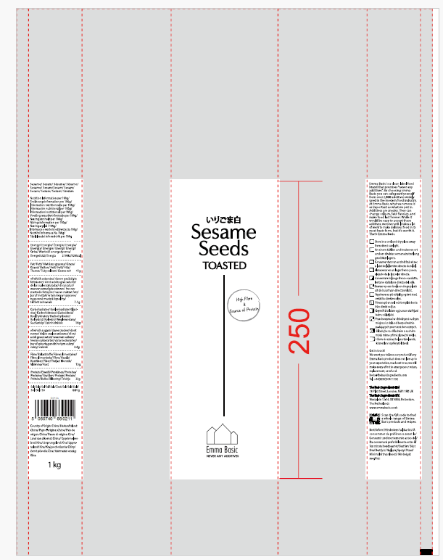
CCP | Control Measure |  | Critical Limit | Monitoring Frequency
Metal-detector | check： test piece |  | No metal exist FE ≤0.8mm SUS ≤1.5mm NON FE≤2.0mm | Before and after work, every 2 hours during work
19.Artwork
Inner Label / Package Design artwork |  | Outer Label / Package Design artwork
 |  | 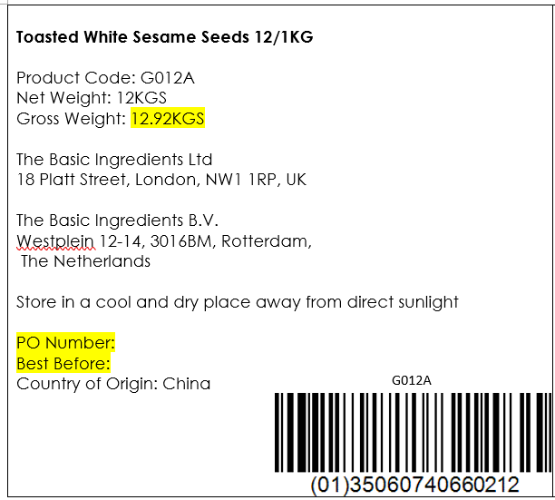

20.Packaging Photos
Finished Product with Primary package | Outer Case (Secondary) |  | Tertiary
 |  |  | N/A
Specification Authorization
1.Product to be supplied in accordance with this agreed specification. No changes are to be made without prior knowledge and prior written agreement of The Basic Ingredients Ltd. 2.The contents of this specification are confidential and should not be disclosed to a third party without a written approval of The Basic Ingredients Ltd. 3. Product must be fit for purpose of the nature and substance stated in this specification and free from foreign body. 4. The raw materials used in this product fulfil the requirements described in the Regulation 1881/2006/EC related to contaminants in foodstuffs, the Regulation 396/2005/EC related to pesticides in foodstuffs, and their amendments. 5. The product has not been treated with ionising radiation and does not contain any irradiated ingredients- Regulated under Directive 1999/2/EC and Directive 1999/3/EC. 6. This product does not contain ingredients that contain GMO or consist of GMO or were produced from GMO - Regulated under Regulation (EC) No 1829/2003, Regulation (EC) No 1830/2003, and their amendments. 7. Products to be delivered using suitable transport in the stated conditions (i.e. ambient, chilled, frozen). 8. The information on this specification can be used without reservation to advise customers with food allergies, intolerances or aversions, especially those who may die from an anaphylactic reaction to traces of ingredients. 9. All materials intended to come into contact with foods complies with European regulations: Regulation (EC) No. 1935/2004, Regulation (EC) No. 2023/2006, Regulation (EU) No. 10/2011, Directives 82/711/EEC, 85/572/EEC, 2002/72/EEC (and the relevant amendments).
Manufacturer Name | ANHUI XINMAO FOOD CO.,LTD
Signature
Print Name | Wu xuanqun
Position in Company | Sales Manager
Date | 2024-12-20

For and on behalf of The Basic Ingredients Ltd:
Signature
Print Name | Nancy Deng
Position in Company | Technical Account Manager
Date | 2025-01-09

USP & Content verification
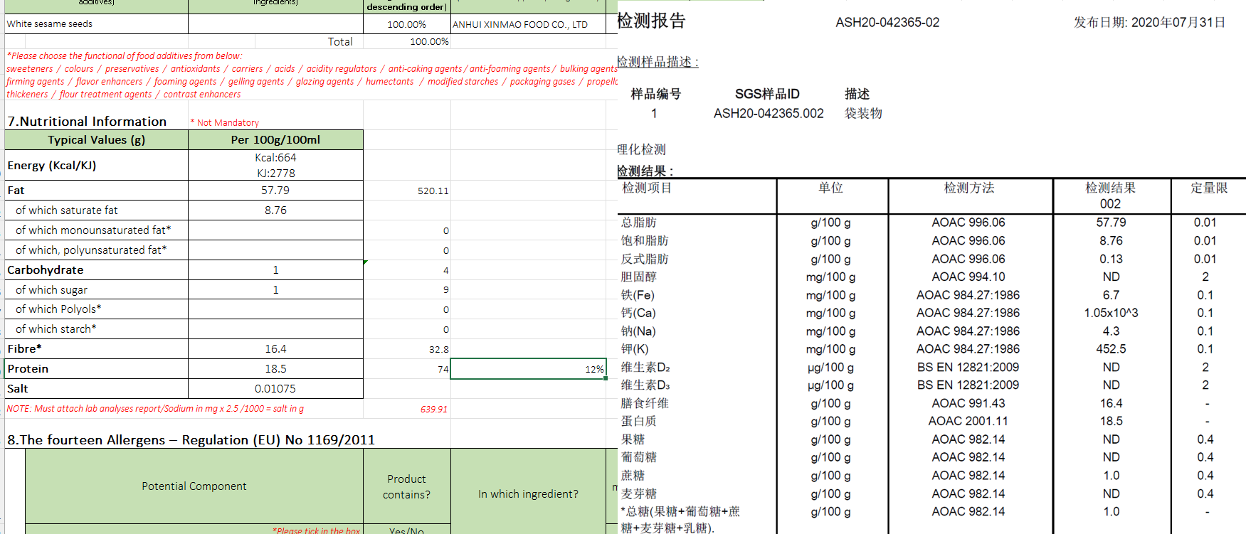
 | Content
Title | Emma Basic Roasted White Sesame Seeds 1kg | High Fibre | Source of Protein | Vegan | Rich Aroma | Antioxidants
USP No 1 | FIBRE: Daily fibre intake is vital to your digestive health. A claim that a food is high in fibre can be made where the product contains at least 6g of fibre/100g according to (EC) 1924/2006. Emma Basic Roasted Sesame Seed contains 16g of fibre/100g.
USP No 2 | SOURCE OF PROTEIN: 12 % of the energy value of the Emma Basic Roasted White Sesame Seed is provided by protein. A source of protein to contribute to your daily protein intake.
USP No 3 | NUTTY & CRUNCHY: Our sesame seeds are washed and roasted! Adding a nutty taste and delicate crunch to your dishes. Vacuum packed to maintain the fresh roasted aroma for longer.
USP No 4 | URAMAKI SUSHI: Essential ingredient to make inside out sushi rolls/ California rolls.
USP No 5 | EASY TO ADD TO YOUR DIET: It is already skillfully roasted, simply sprinkle on top of any dish: Stir-fry, Steamed veg, Salads, Grilled Salmon, Hummus, even porridge or breakfast cereal.

